Sheet1
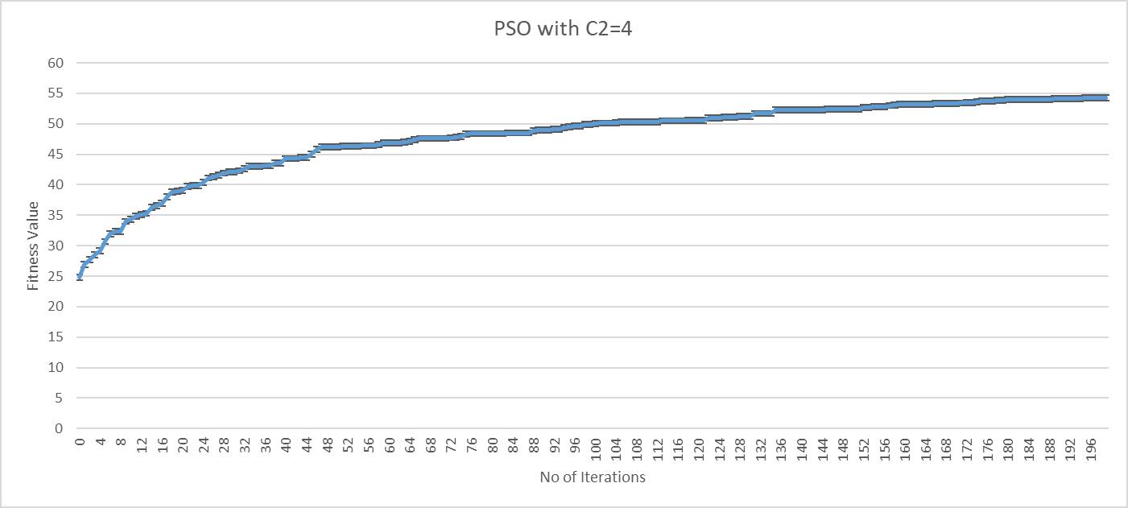

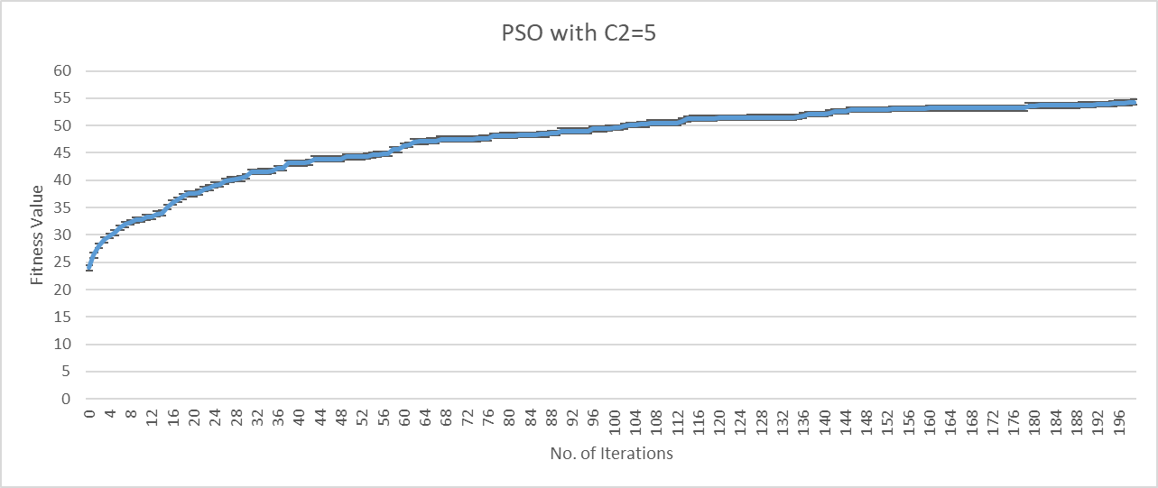

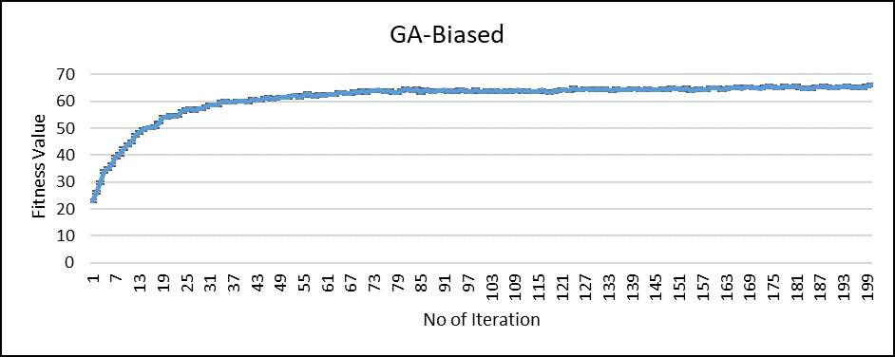

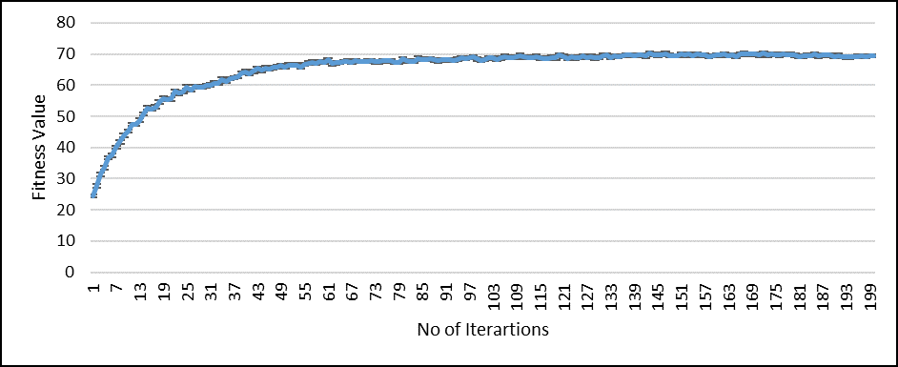
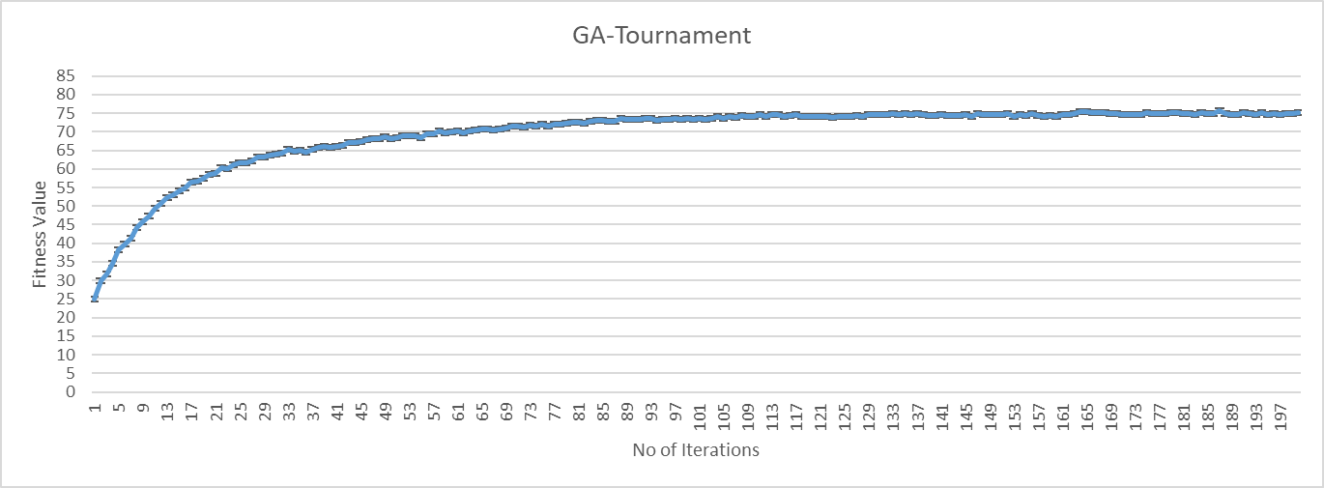

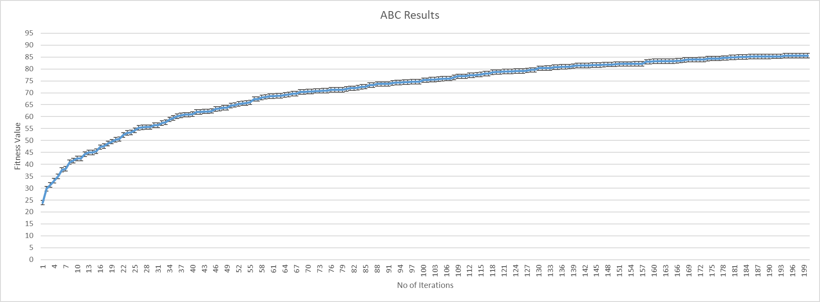

Sheet2
The average convergence for all the experiments
 | GA-Mix | GA-biased | GA-Tournament | ABC | PSO#1 | PSO#2
1 | 557.1205 | 492.625 | 185.26875 | 282.869375 | 472.03333333 | 96.636
2 | 986.795 | 1083.307 | 768.233125 | 282.83125 | 876.42833333 | 566.696
3 | 1595.17 | 1482.98 | 1120.49375 | 198.87625 | 1010.1516667 | 823.2
4 | 2174.205 | 2240.955 | 1294.96875 | 200.126875 | 1097.7116667 | 916.88
5 | 2570.715 | 2841.23 | 1605.275 | 283.025 | 1097.7116667 | 1050.26
6 | 2921.22 | 3496.36 | 1915.225 | 283.6125 | 1097.7116667 | 1097.356
7 | 3305.48 | 4162.9 | 2383.9375 | 9.9075 | 1141.895 | 1097.356
8 | 3576.66 | 4282.7 | 2652.475 | 73.7225 | 1150.2283333 | 1135.996
9 | 3821.8 | 4025.4 | 2508.375 | 9.8575 | 1162.2283333 | 1421.256
10 | 3811.32 | 4399.2 | 2831.125 | 10.09375 | 1174.8 | 1720.24
11 | 4007.12 | 4650.5 | 3267.65625 | 10.28125 | 1178.8 | 1724.64
12 | 4121.4 | 4624.5 | 3514.375 | 9.5125 | 1178.8 | 1791.04
13 | 4157.56 | 4459.1 | 4054.7 | 10.325 | 1218.4666667 | 1791.04
14 | 4251.5 | 4599.3 | 3975.4375 | 12.06875 | 1361.5333333 | 1791.04
15 | 4756.3 | 4470.8 | 3746.2625 | 10.14375 | 1442.2666667 | 1823.36
16 | 4541.4 | 4744.7 | 4359.4875 | 9.1875 | 1442.2666667 | 1823.36
17 | 4618.9 | 4698.2 | 3716.9625 | 130.4325 | 1442.2666667 | 1835.16
18 | 4759.2 | 4642.1 | 4190.6375 | 142.25125 | 1482.2666667 | 1847.96
19 | 4915 | 4721.1 | 4406.725 | 91.445625 | 1482.2666667 | 1856.96
20 | 4914.8 | 4837.6 | 4005.775 | 200.1375 | 1482.2666667 | 1856.96
21 | 4766.46 | 4901.1 | 4541.375 | 211.575 | 1574.65 | 2101.58
22 | 4939.7 | 4929.9 | 4722.375 | 211.7125 | 1603.15 | 2101.58
23 | 4856.2 | 5096.1 | 4327.125 | 200.7375 | 1686.65 | 2154.98
24 | 4785.4 | 4991.1 | 4693.875 | 321.32375 | 1691.15 | 2154.98
25 | 5048.6 | 4929.7 | 4191.375 | 321.415625 | 1691.15 | 2154.98
26 | 5460.4 | 4935.7 | 5235.9 | 259.81375 | 1691.15 | 2154.98
27 | 5376.9 | 5208.4 | 4993.375 | 254.03125 | 1691.15 | 2154.98
28 | 5376.2 | 5088.9 | 4873.875 | 254.775 | 1691.15 | 2154.98
29 | 5263.1 | 5230.2 | 5031.7375 | 332.49375 | 1691.15 | 2154.98
30 | 5182.1 | 4903.2 | 4891 | 383.0625 | 1691.15 | 2154.98
31 | 5353.6 | 5209.8 | 5305.375 | 488.975 | 1707.8166667 | 2154.98
32 | 5374.6 | 5194.2 | 5108.25 | 415.9375 | 1707.8166667 | 2154.98
33 | 5233.1 | 5353.42 | 5298.875 | 481.2875 | 1709.8166667 | 2154.98
34 | 5665.6 | 5256.4 | 5331.25 | 441.075 | 1718.8166667 | 2154.98
35 | 5343.7 | 5128.6 | 5057.625 | 424.3125 | 1718.8166667 | 2154.98
36 | 5304.1 | 5253.5 | 5168 | 381.765625 | 1718.8166667 | 2154.98
37 | 5076.2 | 5059 | 5392.625 | 364.075 | 1718.8166667 | 2154.98
38 | 5632.2 | 5408.9 | 5234.25 | 353.6 | 1917.2333333 | 2154.98
39 | 5438.4 | 5473 | 5186.125 | 423.21875 | 1917.2333333 | 2154.98
40 | 5479.6 | 5433.5 | 5641.75 | 394.6875 | 1917.2333333 | 2154.98
41 | 5419.5 | 5403.7 | 5719 | 519.475 | 1917.2333333 | 2154.98
42 | 5531.7 | 5384.9 | 5645.625 | 398.0375 | 1917.2333333 | 2154.98
43 | 5531.6 | 5545.1 | 5650.875 | 482.6875 | 1917.2333333 | 2154.98
44 | 5497 | 5719.1 | 5886.5 | 445.2625 | 1917.2333333 | 2154.98
45 | 5322.3 | 5658.86 | 6119.5 | 484.05 | 1917.2333333 | 2154.98
46 | 5787.2 | 5462.9 | 6017.375 | 406.5275 | 1917.2333333 | 2154.98
47 | 5657.7 | 5277 | 5872.3625 | 712.95 | 1917.2333333 | 2154.98
48 | 5597.4 | 5407.3 | 6027.25 | 734.2875 | 1927.0666667 | 2154.98
49 | 5503.58 | 5424.4 | 5655.625 | 585.3125 | 1927.0666667 | 2212.4
50 | 5741.7 | 5740.1 | 5844.375 | 689.15625 | 1927.0666667 | 2212.4
51 | 5559 | 5637.9 | 5789.125 | 784.7875 | 1927.0666667 | 2212.4
52 | 5650.5 | 5421.7 | 5955.625 | 664.196875 | 1927.0666667 | 2221.08
53 | 5415.1 | 5480.2 | 5832.25 | 694.44375 | 1927.0666667 | 2221.08
54 | 5790.4 | 5547.5 | 6217.375 | 637.45 | 1927.0666667 | 2221.08
55 | 5687.2 | 5698.6 | 5950.875 | 926.725 | 1927.0666667 | 2228.08
56 | 5482.2 | 5629.4 | 6110.125 | 844.7875 | 1927.0666667 | 2228.08
57 | 5590.3 | 5402 | 6358.375 | 855.55 | 1927.0666667 | 2228.08
58 | 5697.8 | 5481 | 5979.875 | 1051.25 | 2009.9 | 2228.08
59 | 5787.2 | 5853.1 | 6679.5 | 844.59375 | 2009.9 | 2228.08
60 | 5993.8 | 5480.3 | 6202 | 759.96875 | 2009.9 | 2228.08
61 | 5911.6 | 5493.08 | 6114.25 | 913.94375 | 2023.4 | 2228.08
62 | 6057.5 | 5611.3 | 6060.575 | 1408.875 | 2023.4 | 2239.28
63 | 5635 | 5702.7 | 6076.625 | 1505.875 | 2023.4 | 2265.28
64 | 5855 | 5570.7 | 5843.25 | 1532.0625 | 2023.4 | 2265.28
65 | 5941.7 | 5466 | 5906.125 | 1505.54375 | 2026.5666667 | 2388.08
66 | 5635.3 | 5393.2 | 6075.5 | 1581.03125 | 2026.5666667 | 2469.28
67 | 5698.2 | 5601.4 | 6129.75 | 1393.84375 | 2026.5666667 | 2469.28
68 | 6164.3 | 5371 | 6683.125 | 1385.5875 | 2026.5666667 | 2469.28
69 | 5719 | 5625.6 | 6470.875 | 1426.48875 | 2026.5666667 | 2469.28
70 | 6104.5 | 5636.1 | 6296.75 | 1468.05 | 2026.5666667 | 2469.28
71 | 5798.8 | 5781.3 | 6110.5 | 1723.0625 | 2026.5666667 | 2469.28
72 | 5682.4 | 5741 | 6216.75 | 1729.9625 | 2026.5666667 | 2469.28
73 | 5893.8 | 5483.5 | 6203.875 | 2081.84375 | 2026.5666667 | 2469.28
74 | 5853 | 5770.4 | 6200.5 | 2053.64375 | 2026.5666667 | 2469.28
75 | 5808.2 | 5855.5 | 6369.75 | 2100.05 | 2026.5666667 | 2469.28
76 | 5808.2 | 5727 | 6129.75 | 2112 | 2026.5666667 | 2469.28
77 | 5850.31 | 5513.7 | 6163.875 | 2017.7625 | 2031.0666667 | 2469.28
78 | 5930.5 | 5828.1 | 6056.5 | 2388.3125 | 2031.0666667 | 2469.28
79 | 5713.3 | 5833.7 | 5842.75 | 2348.0625 | 2087.0666667 | 2469.28
80 | 5711.3 | 5646.6 | 6081.625 | 2482.3125 | 2087.0666667 | 2469.28
81 | 6044.6 | 5481.1 | 6095.375 | 2415.6125 | 2087.0666667 | 2469.28
82 | 5833.6 | 5598.6 | 6144 | 2478.2375 | 2087.0666667 | 2520.28
83 | 6103.3 | 5782.7 | 6117.625 | 2547.3125 | 2087.0666667 | 2520.28
84 | 5696.3 | 5666.6 | 5921.25 | 2602.2125 | 2087.0666667 | 2525.88
85 | 5785.5 | 5518.6 | 6006.625 | 2625 | 2087.0666667 | 2525.88
86 | 6066 | 5772.5 | 6075 | 2598 | 2087.0666667 | 2525.88
87 | 6013.9 | 5578.9 | 6195.125 | 3133 | 2087.0666667 | 2525.88
88 | 5662.02 | 5588.6 | 6050.375 | 3113.375 | 2087.0666667 | 2525.88
89 | 5790.8 | 5402.4 | 6652.5 | 2864.75 | 2087.0666667 | 2525.88
90 | 5987.8 | 5316.7 | 6519.75 | 2724.6375 | 2087.0666667 | 2525.88
91 | 6022.3 | 5395.5 | 6359.5 | 3003.6875 | 2087.0666667 | 2525.88
92 | 5958 | 5694.8 | 6063.375 | 2855.375 | 2087.0666667 | 2525.88
93 | 5778.6 | 5573 | 6389 | 3017.9375 | 2087.0666667 | 2525.88
94 | 5763.9 | 5741.2 | 6444.625 | 2983.4 | 2087.0666667 | 2525.88
95 | 5682.7 | 5691.2 | 6465 | 3065 | 2087.0666667 | 2525.88
96 | 5758.5 | 5575.2 | 6374.875 | 2874.675 | 2087.0666667 | 2551.48
97 | 5841.3 | 5845.1 | 6238.5 | 2979.6875 | 2087.0666667 | 2551.48
98 | 5740.3 | 5552.8 | 6209 | 3002.4625 | 2087.0666667 | 2551.48
99 | 6012.2 | 5942.1 | 6103.375 | 3095.65 | 2087.0666667 | 2551.48
100 | 5835.3 | 5450.5 | 6403.375 | 3057.8125 | 2087.0666667 | 2557.08
101 | 5897.2 | 5487.2 | 6471.625 | 3108.1625 | 2087.0666667 | 2557.08
102 | 5864.9 | 5903.5 | 6525.875 | 3158.0625 | 2087.0666667 | 2557.08
103 | 6106.1 | 5594.9 | 6458.75 | 3121.2875 | 2108.9166667 | 2557.08
104 | 6100.7 | 5819.2 | 6258 | 3100.375 | 2108.9166667 | 2557.08
105 | 5923.9 | 5608.7 | 6471 | 3369.775 | 2108.9166667 | 2557.08
106 | 6034.9 | 5444.4 | 6173.375 | 3462.125 | 2108.9166667 | 2557.08
107 | 6318.7 | 5933.1 | 6170.5 | 3466.525 | 2108.9166667 | 2557.08
108 | 5864.9 | 5931.6 | 6208.125 | 3572.875 | 2108.9166667 | 2557.08
109 | 5827.7 | 5884.1 | 6031 | 3628 | 2108.9166667 | 2557.08
110 | 5947.7 | 5954.6 | 6221.25 | 3584.75 | 2108.9166667 | 2557.08
111 | 6044.7 | 5694.6 | 5978.125 | 3684.25 | 2108.9166667 | 2557.08
112 | 6215 | 6018.8 | 6264.125 | 3686.5 | 2108.9166667 | 2557.08
113 | 5931.3 | 5556.5 | 6322.25 | 3560 | 2108.9166667 | 2557.08
114 | 5858.7 | 5655.5 | 6410 | 3622.75 | 2108.9166667 | 2557.08
115 | 6139.5 | 5527.7 | 6241.75 | 3606.75 | 2108.9166667 | 2557.08
116 | 5844.7 | 5697.7 | 6342 | 3660.625 | 2108.9166667 | 2557.08
117 | 6188.2 | 5722 | 6431.125 | 3661.125 | 2108.9166667 | 2557.08
118 | 5831.1 | 5915.9 | 6335.125 | 3738 | 2117.9166667 | 2557.08
119 | 6174.8 | 5859.7 | 6263 | 3694.875 | 2117.9166667 | 2557.08
120 | 6048.6 | 5538.6 | 6533.125 | 3724.375 | 2117.9166667 | 2557.08
121 | 6360.5 | 5782.03 | 6428.875 | 3744.25 | 2117.9166667 | 2557.08
122 | 5766.6 | 5948.7 | 6565.625 | 3785.875 | 2117.9166667 | 2562.68
123 | 5910.9 | 5649.3 | 6320.125 | 3760.875 | 2117.9166667 | 2562.68
124 | 6435.8 | 5788.9 | 6444.75 | 3729.375 | 2117.9166667 | 2562.68
125 | 5889.2 | 5540.4 | 6549.5 | 3824.25 | 2126.5666667 | 2562.68
126 | 6352 | 5896.1 | 6384 | 3736.25 | 2126.5666667 | 2562.68
127 | 6149.96 | 5666.5 | 6541.875 | 3780.125 | 2126.5666667 | 2563.08
128 | 6188.6 | 5856.4 | 7030.375 | 3837.5 | 2126.5666667 | 2563.08
129 | 6202.5 | 5529.5 | 6575.125 | 3791 | 2126.5666667 | 2563.08
130 | 6343.3 | 5813.7 | 6255.5 | 3807.625 | 2167.05 | 2563.08
131 | 6205.5 | 5864.4 | 6197.875 | 3891.375 | 2199.7166667 | 2563.08
132 | 5797.3 | 5453.3 | 6367.125 | 3855.125 | 2199.7166667 | 2591.08
133 | 6474.8 | 5648.7 | 6644.75 | 3905.25 | 2199.7166667 | 2591.08
134 | 5722.4 | 5413.4 | 6283.875 | 3880.125 | 2199.7166667 | 2591.08
135 | 5959.1 | 5920.7 | 6249.75 | 3905 | 2199.7166667 | 2591.08
136 | 6196.1 | 5786.3 | 6519.75 | 3815.875 | 2237.7166667 | 2614.28
137 | 6000.6 | 5688.4 | 6243.125 | 3883.875 | 2237.7166667 | 2614.28
138 | 6325 | 5472.3 | 6163.125 | 3818.125 | 2237.7166667 | 2614.28
139 | 5843.8 | 5769.3 | 6584.625 | 3859 | 2237.7166667 | 2614.28
140 | 6462.3 | 5737 | 6519.5 | 3905.625 | 2237.7166667 | 2614.28
141 | 6086.77 | 5620.4 | 6604.625 | 3846.625 | 2237.7166667 | 2614.28
142 | 6438.2 | 6011.44 | 6135 | 3904.75 | 2304.55 | 2614.28
143 | 5876 | 5738.6 | 6679.625 | 3944.875 | 2304.55 | 2614.28
144 | 6108.7 | 5504.6 | 6383.625 | 3931.375 | 2304.55 | 2614.28
145 | 5951.8 | 5586.3 | 6602.125 | 3986 | 2304.55 | 2614.28
146 | 6117.7 | 5631 | 6182.625 | 3937.875 | 2313.55 | 2614.28
147 | 5767.5 | 6008.2 | 6499.875 | 3978.5 | 2313.55 | 2614.28
148 | 5817.3 | 6104.8 | 6607.25 | 3914.75 | 2313.55 | 2614.28
149 | 6236.8 | 5917.9 | 6384.375 | 3914.125 | 2313.55 | 2614.28
150 | 5979.6 | 5665.8 | 6541.25 | 3975.625 | 2313.55 | 2614.28
151 | 5610.8 | 5416.6 | 6210.75 | 3999.75 | 2313.55 | 2614.28
152 | 5974.3 | 6011.8 | 6359.375 | 4023.375 | 2313.55 | 2614.28
153 | 5870.2 | 5645.8 | 6601.375 | 4032.25 | 2313.55 | 2614.28
154 | 6347.3 | 5831.2 | 6540.625 | 4020.125 | 2313.55 | 2614.28
155 | 5808.4 | 5553.4 | 6473.75 | 4134.875 | 2313.55 | 2614.28
156 | 6076.4 | 5714.7 | 6332.25 | 4026.75 | 2313.55 | 2614.28
157 | 5978.54 | 5830.8 | 6203.5 | 4106 | 2313.55 | 2614.28
158 | 6214 | 5876.7 | 6496 | 4110.5 | 2313.55 | 2614.28
159 | 6112 | 6239.1 | 6566.375 | 4149.375 | 2313.55 | 2614.28
160 | 6087.7 | 5826.7 | 6484.5 | 4105.625 | 2313.55 | 2614.28
161 | 6181.8 | 5488.1 | 6379.75 | 4179.75 | 2313.55 | 2614.28
162 | 6027.97 | 5623.6 | 6799.75 | 4175.75 | 2313.55 | 2614.28
163 | 6103 | 5492.6 | 6356.5 | 4292.75 | 2336.95 | 2614.28
164 | 5853.5 | 5477.8 | 6229.125 | 4235.125 | 2336.95 | 2614.28
165 | 6177.4 | 5424 | 6257.625 | 4250.5 | 2336.95 | 2614.28
166 | 6182.8 | 5656.3 | 6275.625 | 4273 | 2336.95 | 2614.28
167 | 5766.9 | 5537.2 | 5901.375 | 4200.375 | 2336.95 | 2614.28
168 | 6130.9 | 5645.6 | 6499.375 | 4338.875 | 2341.6166667 | 2614.28
169 | 6208.5 | 5765.1 | 6139.75 | 4171.75 | 2341.6166667 | 2614.28
170 | 6171.7 | 5654.9 | 6093.25 | 4161.75 | 2341.6166667 | 2614.28
171 | 6140.7 | 5478.3 | 6342.375 | 4256.75 | 2350.95 | 2614.28
172 | 6117.1 | 5539.3 | 6491.5 | 4225.125 | 2350.95 | 2614.28
173 | 5948.2 | 5731.3 | 6019.875 | 4295 | 2360.2833333 | 2614.28
174 | 5796 | 5428.24 | 6050.625 | 4260.5 | 2360.2833333 | 2614.28
175 | 5722.9 | 5977.1 | 5929.375 | 4361.125 | 2360.2833333 | 2614.28
176 | 6007.8 | 5628.5 | 6640.25 | 4260.375 | 2360.2833333 | 2614.28
177 | 5842.1 | 5925.8 | 5967.875 | 4321.625 | 2360.2833333 | 2614.28
178 | 5918.5 | 5497.1 | 6275.375 | 4307.25 | 2360.2833333 | 2614.28
179 | 5915.2 | 5584.5 | 6277.5 | 4298.875 | 2360.2833333 | 2614.28
180 | 5850.7 | 5445 | 6525.375 | 4309.625 | 2360.2833333 | 2614.28
181 | 5988.4 | 5439.1 | 6449.875 | 4387 | 2360.2833333 | 2614.28
182 | 6219.9 | 5449.8 | 6594.75 | 4356.625 | 2360.2833333 | 2614.28
183 | 6015 | 5463.2 | 6254.625 | 4323.625 | 2360.2833333 | 2614.28
184 | 5990.1 | 5624 | 5851.625 | 4357.625 | 2360.2833333 | 2614.28
185 | 6111.9 | 5591.9 | 6338.625 | 4318.125 | 2360.2833333 | 2614.28
186 | 6010.8 | 5505.1 | 5996.25 | 4349.5 | 2360.2833333 | 2614.28
187 | 6300.4 | 5974.8 | 6366.875 | 4391.375 | 2360.2833333 | 2614.28
188 | 6393.4 | 5555 | 6288.5 | 4387.5 | 2360.2833333 | 2614.28
189 | 6182 | 5481.8 | 6045.625 | 4399 | 2360.2833333 | 2614.28
190 | 6705.9 | 5889.7 | 6464.25 | 4513.25 | 2360.2833333 | 2614.28
191 | 5669.7 | 5474.9 | 6270.75 | 4555.375 | 2360.2833333 | 2614.28
192 | 6054.9 | 5652.2 | 6293.375 | 4440.5 | 2360.2833333 | 2614.28
193 | 6395.6 | 5433 | 6370.375 | 4441.875 | 2360.2833333 | 2614.28
194 | 5986.7 | 5526.3 | 6890.125 | 4424.625 | 2360.2833333 | 2697.48
195 | 6059.3 | 5673.1 | 6335.75 | 4581.625 | 2360.2833333 | 2697.48
196 | 5980.6 | 5501 | 6322 | 4545.875 | 2360.2833333 | 2697.48
197 | 6233 | 5453.1 | 6201.25 | 4504.625 | 2360.2833333 | 2697.48
198 | 6352.6 | 5630.66 | 6537.75 | 4529.5 | 2360.2833333 | 2697.48
199 | 5845.3 | 5673.6 | 6663.75 | 4555.75 | 2360.2833333 | 2697.48
200 | 6128 | 5780.3 | 6286.125 | 4535 | 2360.2833333 | 2697.48
201 | 6128 | 5780.3 | 6286.125 | 4535 | 2360.2833333 | 2697.48

 | 6705.9

